Sheet1
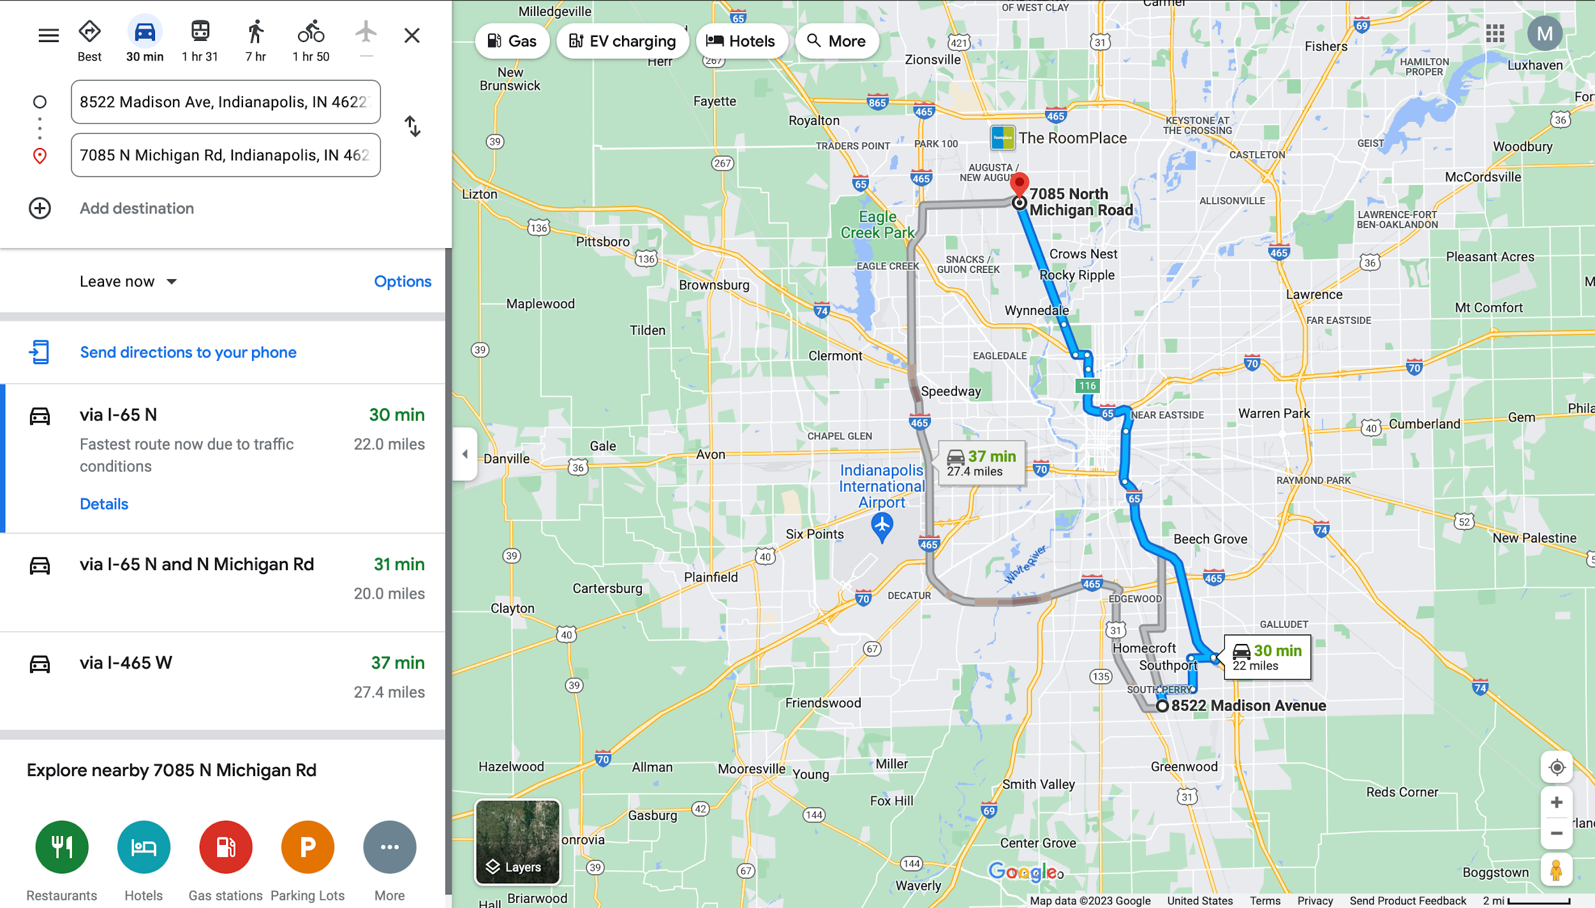
Time | Name | Address | Rating | Cuisine | Travel Distance (from previous food truck) | Travel Time | Transportation Type
9:00:00 | The Night Owl Food Truck | S Meridian St, Indianapolis, IN | 5 | - | - | - | -
12:00:00 | ClusterTruck | 729 N Pennsylvania St, Indianapolis, IN | 4.8 | - | 14.2 mile | 21 min | drive
19:00:00 | El Buenavista Food Truck | 5210 English Ave, Indianapolis, IN | 5 | Mexican | 5.0 mile | 15 min | drive

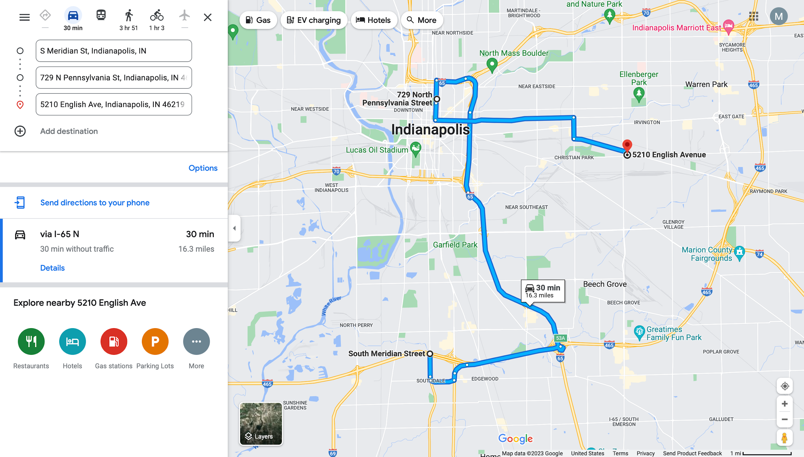

Time | Name | Address | Rating | Cuisine | Travel Distance (from previous food truck) | Travel Time | Transportation Type
12:00:00 | Big Jerry Indi Food Truck | 8522 Madison Ave, Indianapolis, IN | 5 | - | - | - | -
19:00:00 | Oasis Taco Truck | 7085 N Michigan Rd, Indianapolis, IN | 5 | Taco | 22.0 mile | 30 min | drive

